Welcome
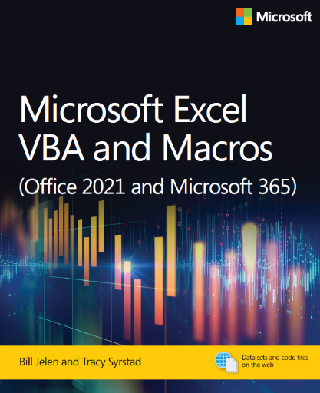
Microsoft Excel VBA and Macros (Office 2021 and Microsoft 365)
by Bill Jelen and Tracy Syrstad
ISBN 978-0-13-752152-4

 | Neither of these macros work well with variable length data sets.
 | In chapter 2, you will learn how to deal with multiple rows.

